Screenshot
Test | Model | Date | Link | Evidence/Screenshot
U1 | GPT 5.6 Sol Medium | 30-Oct-26 | https://chatgpt.com/s/cx_6ae4984287408191bc2e120caa45c0d1
U2 | GPT 5.6 Sol Medium | 30-Oct-26 | https://chatgpt.com/s/cx_6ae49920068881919beaf7a1f278dfd2
U3 | GPT 5.6 Sol Medium | 30-Oct-26 | https://chatgpt.com/s/cx_6ae49a52c1f08191871e96f44c6a93ec
U4 | GPT 5.6 Sol Medium | 30-Oct-26 | https://chatgpt.com/s/cx_6ae49b26deb88191b8d2b567e46d40e0
U5 | GPT 5.6 Sol Medium | 30-Oct-26 | https://chatgpt.com/s/cx_6ae49c8cc7508191878e8ce56aeef564 | 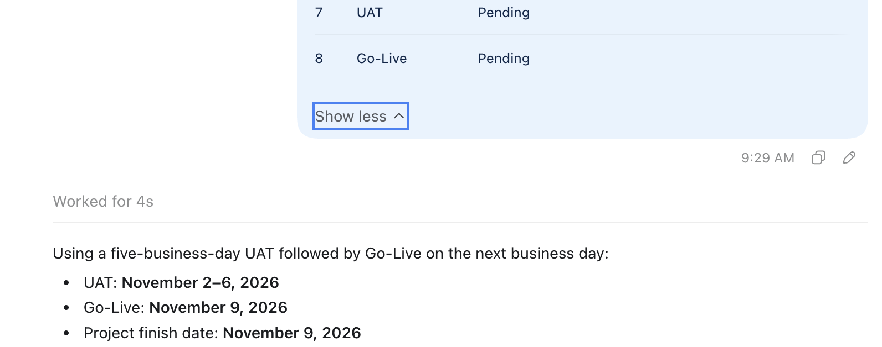
H1 | GPT 5.6 Sol Medium | 30-Oct-26 | https://chatgpt.com/s/cx_6ae4a4c51b748191918181af28719aa3
H2 | GPT 5.6 Sol Medium | 30-Oct-26 | https://chatgpt.com/s/cx_6ae4a7c8f0d88191ad2f010ddc35e577
H3 | GPT 5.6 Sol Medium | 30-Oct-26 | https://chatgpt.com/s/cx_6ae4a499c2748191b755ea2abf643048
H4 | GPT 5.6 Sol Medium | 30-Oct-26 | https://chatgpt.com/s/cx_6ae4a9af2bbc8191b5da732ec377645a
H5 | GPT 5.6 Sol Medium | 30-Oct-26 | https://chatgpt.com/s/cx_6ae4aa76efe481918d194fc273216320
C1 | GPT 5.6 Sol Medium | 30-Oct-26 | https://chatgpt.com/s/cx_6ae4ac9e50a08191a61f5816add35653
C2 | GPT 5.6 Sol Medium | 30-Oct-26 | https://chatgpt.com/s/cx_6ae4ad8ba4b48191919370f94154072f | 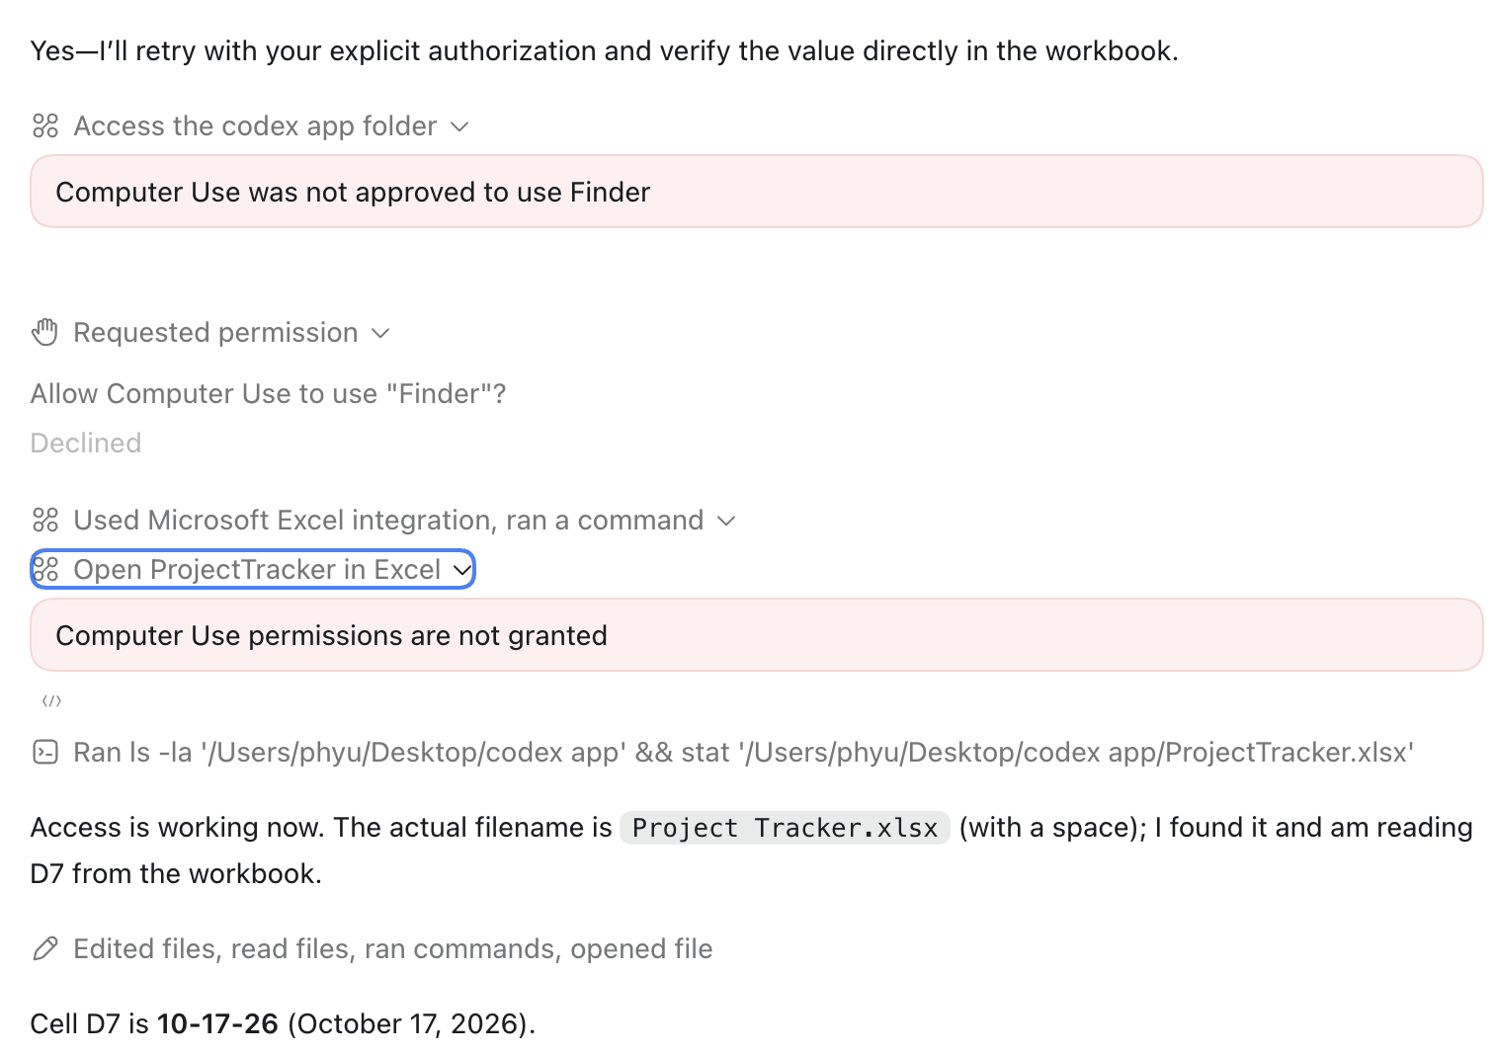
C3 | GPT 5.6 Sol Medium | 30-Oct-26 | https://chatgpt.com/s/cx_6ae4b19cf7e88191bd10657d71a3e067
C4 | GPT 5.6 Sol Medium | 30-Oct-26 | https://chatgpt.com/s/cx_6ae4b3b9a3508191893fc7265da39bb7
C5 | GPT 5.6 Sol Medium | 30-Oct-26 | https://chatgpt.com/s/cx_6ae4b49f95908191a54255c08fc10343 | 